intro
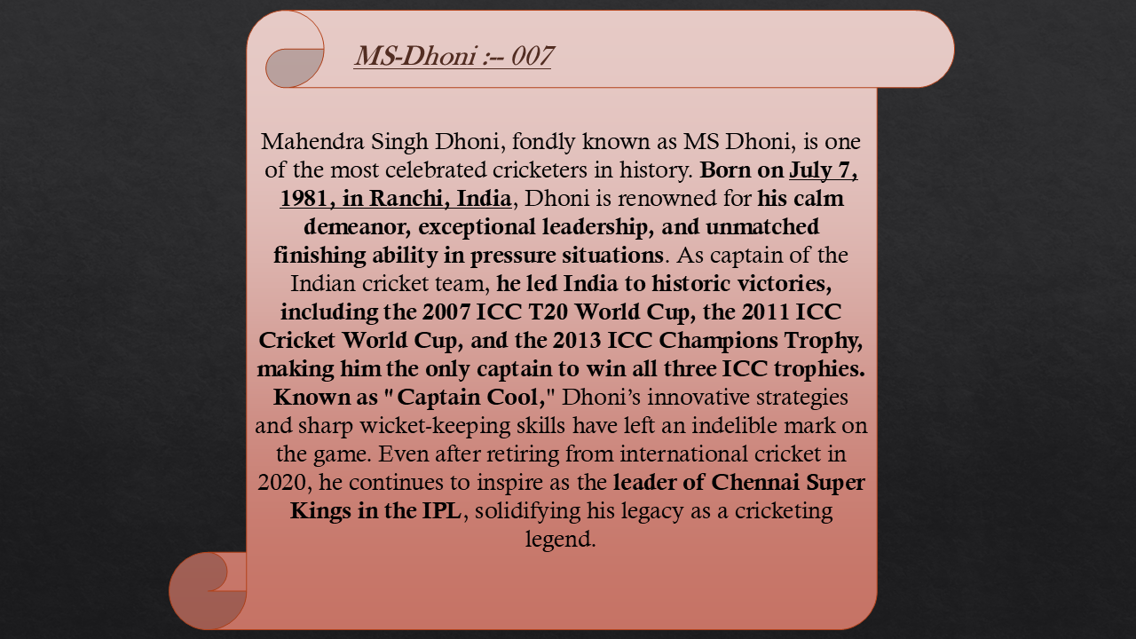




Dashboards
MS Dhoni singh 007 :---- International Cricket :---------

 | Total
ODI | 74.62
T20 | 114.68
Test | 47.66

Years Wisely Runs
 | Total
2004 | 0.11%
2005 | 6.05%
2006 | 7.98%
2007 | 10.04%
2008 | 10.07%
2009 | 10.14%
2010 | 8.31%
2011 | 7.61%
2012 | 7.18%
2013 | 7.16%
2014 | 5.96%
2015 | 3.85%
2016 | 2.99%
2017 | 6.02%
2018 | 2.31%
2019 | 4.23%
mOST RUN GROUNDS
 | Total
Chennai | 746
Colombo (RPS) | 647
Dambulla | 456
Delhi | 443
Eden Gardens | 664
Karachi | 435
Mirpur | 823
Mohali | 670
Nagpur | 798
The Oval | 428
Top Country strike rate against Teams
 | Total
v Afghanistan | 133.34%
v Africa XI | 90.40%
v Bangladesh | 96.78%
v Bermuda | 112.31%
v Ireland | 95.77%

Dashboard.
MS Dhoni singh 007 :---- International Cricket :---------

 | Total
ODI | 74.62
T20 | 114.68
Test | 47.66
 |  | Average of Runs | Fours | sixes | Match
 |  | 32.83 | 1486 | 359 | 612

Years Wisely Runs
 | Total
2004 | 0.11%
2005 | 6.05%
2006 | 7.98%
2007 | 10.04%
2008 | 10.07%
2009 | 10.14%
2010 | 8.31%
2011 | 7.61%
2012 | 7.18%
2013 | 7.16%
2014 | 5.96%
2015 | 3.85%
2016 | 2.99%
2017 | 6.02%
2018 | 2.31%
2019 | 4.23%

Top Country strike rate against Teams
 | Total
v Afghanistan | 133.34%
v Africa XI | 90.40%
v Bangladesh | 96.78%
v Bermuda | 112.31%
v Ireland | 95.77%

Format | Sum of Index
ODI | 106093
T20 | 40040
Test | 41445
Grand Total | 187578

intro 2
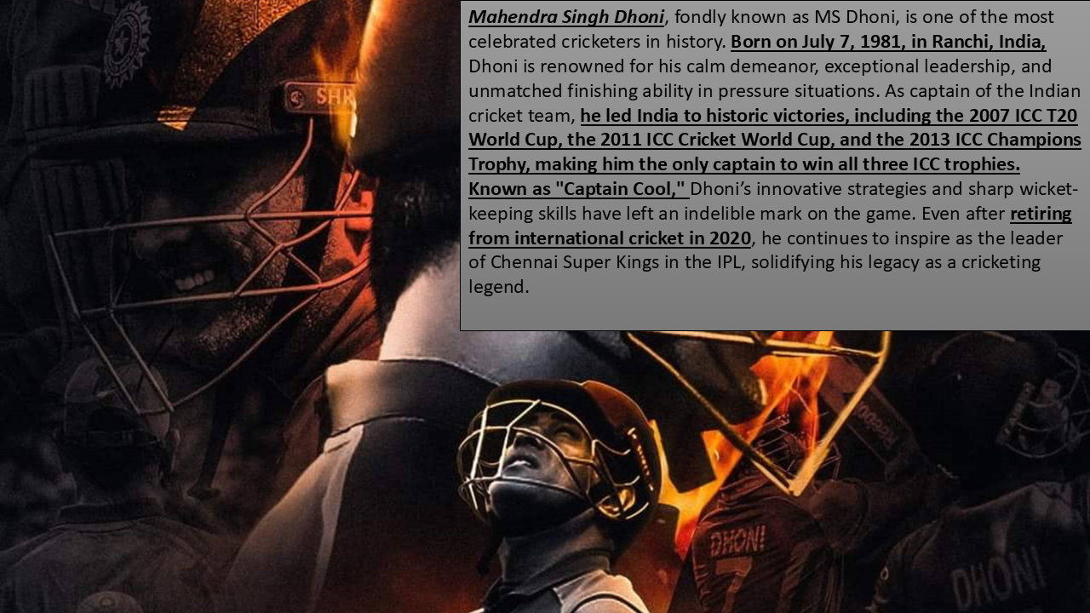

avg strike rate
Q:- | what is the maximum average of country opposition ?

Opposition | Average of SR
v Afghanistan | 133.34%
v Africa XI | 90.40%
v Bangladesh | 96.78%
v Bermuda | 112.31%
v Ireland | 95.77%

maxi S&R
Q:- | Which Inngs are the Maximum strike Rate ?

Format | Average of SR
ODI | 74.62
T20 | 114.68
Test | 47.66

Grounds
Q:- | which Grounds are most and Least Runs by MS Dhoni ?
mOST RUN GROUNDS
Grounds | Sum of Runs | Grounds | Sum of Runs
Chennai | 746 | Belfast | 14
Colombo (RPS) | 647 | Bulawayo | 2
Dambulla | 456 | Colombo (PSS) | 15
Delhi | 443 | Dhaka | 19
Eden Gardens | 664 | Dublin (Malahide) | 11
Karachi | 435 | Glasgow | 0
Mirpur | 823 | Hobart | 0
Mohali | 670 | Multan | 2
Nagpur | 798 | Rawalpindi | 0
The Oval | 428 | Thiruvananthapuram | 0
Grand Total | 6110 | Grand Total | 63

years
Q:- | Whuch Year are most Runs ?
Years Wisely Runs
Years | Sum of Runs
2004 | 0.11%
2005 | 6.05%
2006 | 7.98%
2007 | 10.04%
2008 | 10.07%
2009 | 10.14%
2010 | 8.31%
2011 | 7.61%
2012 | 7.18%
2013 | 7.16%
2014 | 5.96%
2015 | 3.85%
2016 | 2.99%
2017 | 6.02%
2018 | 2.31%
2019 | 4.23%
Grand Total | 100.00%

